Creator's Message
Welcome!
To show your appreciation for this
valuable, free resource,
Please subscribe to my
YouTube channel: ExcelObstacleCourse
Please also share my videos so we can continue to
grow the audience and community!

Timer
Your Time:

Type an 'x' in green cell to start timer--->
Type an 'x' in red cell to stop timer---->

The final result should have 3 columns of 170 names
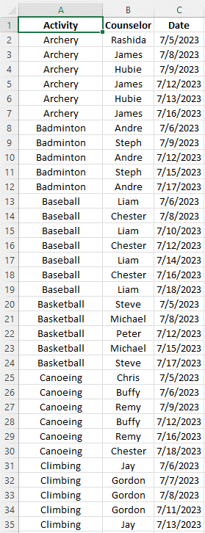

The camp director is new at Excel, they gave you a wide layout that is very difficult to read for the counselors who are trying to determine their schedule!
Fix it using keyboard shortcuts:
Hints:
hold CTRL, tap END
hold CTRL / SHIFT, tap END
hold CTRL, tap A
The camp director is new at Excel, they gave you a wide layout that is very difficult to read for the counselors who are trying to determine their schedule!
Fix it using keyboard shortcuts:
Hints:
hold CTRL, tap END
hold CTRL / SHIFT, tap END
hold CTRL, tap A
OR...
Advanced Challenge:
Use Power Pivot, Unpivot Columns!
Do it in under 30 seconds!

General Instructions
Visit ExcelObstacleCourse channel on Youtube for a complete and detailed walkthrough!
Note: Make sure you DON'T SAVE the course upon exiting, otherwise you will not have the ability to restart the course fresh.
If you mess up, close out of the spreadsheet and don't save. Reopen the original copy and restart.
Type an "x" in the green box and hit enter to start the timer, perform the vlookup task, then type an "X" in the red box and hit enter to stop the timer.
Good Luck!

Important!
Please close all other Excel workbooks you have open before opening the Excel Obstacle Course XTimer.
If you have already opened this sheet before closing all other Excel sheets, please close all Excel workbooks and re-open the Obstacle Course. Doing so ensures correct operation of the timer.

